Sheet1
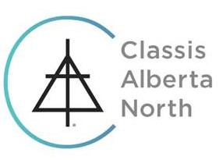

 |  | MINISTRY SHARES REMITTANCE
 |  |  |  | 2018

CHURCH NUMBER: |  |  |  |  | FOR PERIOD:

CHURCH NAME: |  |  |  |  | TODAY'S DATE:

NUMBER OF PROFESSING MEMBERS:

 |  |  |  |  | Per Professing Memnber | AMOUNT
CLASSIS MINISTRY SHARES |  |  |  |  | 94.17
KING'S UNIVERSITY SHARES |  |  |  |  | 68.45
CLASSIS & KING'S MINISTRY SHARES |  |  |  |  | 162.62 | 0.00
ABOVE MINISTRY SHARES (Classis & King's Only)

 |  |  |  |  | TOTAL | 0.00

TREASURER'S NAME:
ADDRESS:

EMAIL:

 | PLEASE MAKE CHEQUES PAYABLE TO: |  | CLASSIS ALBERTA NORTH OF THE CRC

 | AND MAIL CHEQUES, ETC. TO: |  | Mike Vos
 |  |  | 208, 5151 Windermere Bld SW
 |  |  | Edmonton, AB T6W 2K4
 |  |  | classistreasurer@gmail.com

